Sheet1
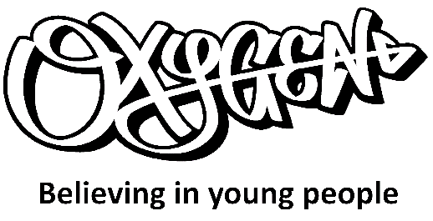 Warwick Edinburgh Mental Wellbeing Scale

Name of Young Person

Below are some statements about feelings and thoughts. Please select the answer that best describes your experience of each over the last two weeks. | None of the time | Rarely | Some of the time | Often | All of the time
I've been feeling optimistic about the future
I've been feeling useful
I've been feeling relaxed
I've been feeling interested in other people
I've had energy to spare
I've been dealing with problems well
I've been thinking clearly
I've been feeling good about myself
I've been feeling close to other people
I've been feeling confident
I've been able to make up my own mind about things
I've been feeling loved
I've been interested in new things
I've been feeling cheerful

Date completed |  |  | WEMWBS Score |  | 0

Personal Outcomes

Personal Outcome 1
Personal Outcome 2
Personal Outcome 3

Sheet2
Personal outcomes
Try to get the young person to reflect and ask them if they would like to identify any other aspects or areas they would like to measure
These could be more specific to the issues they are facing such as anger management, decision making and risk taking or school attendance
Personal outcome 1
I feel able to manage my anger
Personal outcome 2
I am making good decisions about my safety
Personal outcome 3
I am attending school

 | 1st session | 2nd session | 3rd session | 4th session
 | 2020-11-24 | 2020-12-20 | 2021-01-23 | 2021-02-24
I feel able to manage my anger | 1.6 | 3 | 4.7 | 6.6
I am making good decisions about my safety | 3.1 | 4.3 | 7.2 | 8
I am attending school | 2.3 | 3 | 5.1 | 7
Mental wellbeing score | 1.1 | 4 | 5.8 | 8.5

To get WEMWBS on a scale of 1-10
((Raw score-14)/56)*10

